Attachments
S. No. | Attachment
5

6 | 

13

22

22

24 | 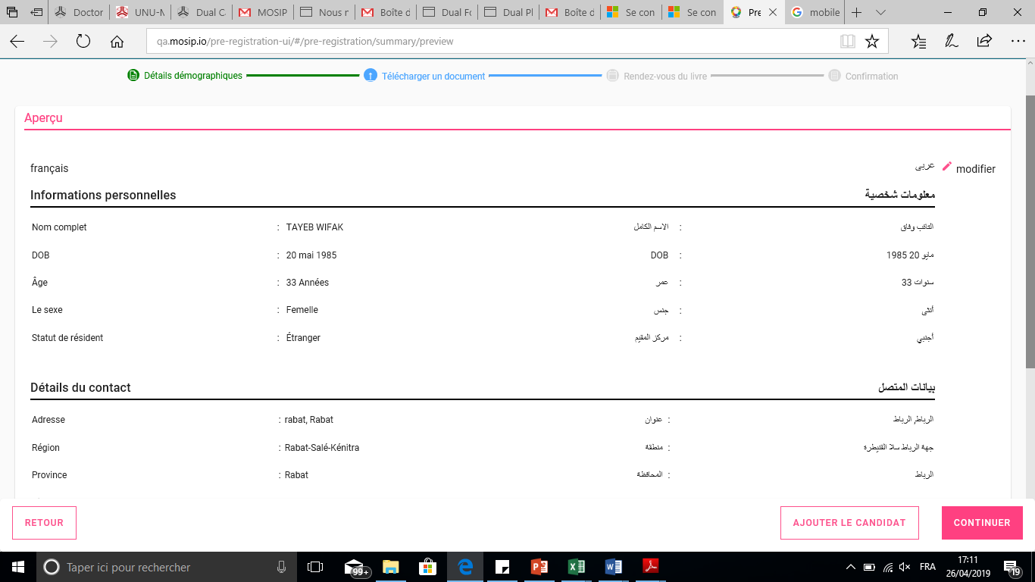

24 | 